Dashboard
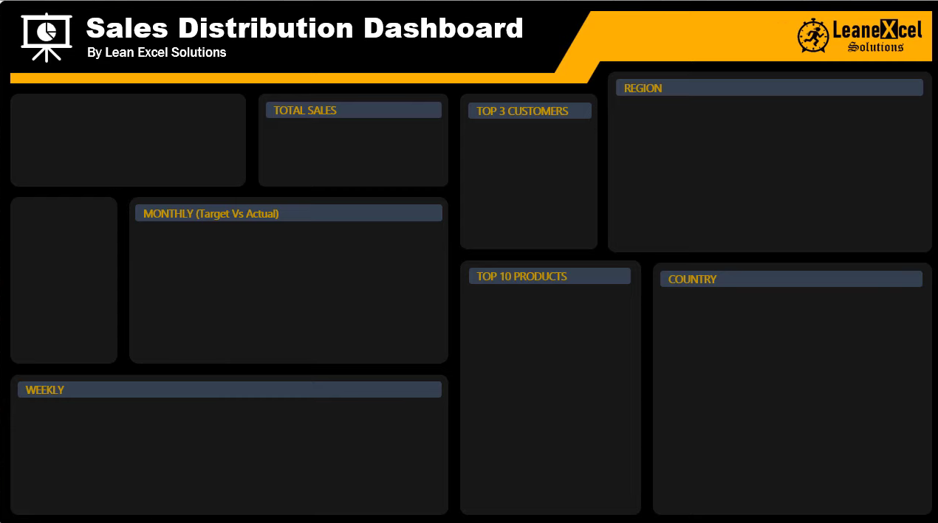

 | Total
Central | $3,283.91
East | $2,280.87
Export | $23,052.08
North | $3,415.80
Northeast | $4,045.14
South | $812.01
Western | $3,414.60

1
2
3
$60,929.15
Customer33
$984,571.06

$45,112.95
Customer22

$43,062.83
Customer23

 | Below | Above | Target ($)
Jan | #N/A | 92118.79 | $90,000.00
Feb | 91137.05 | #N/A | $100,000.00
Mar | 97920.72 | #N/A | $100,000.00
Apr | 72320.89 | #N/A | $100,000.00
May | 70511.76 | #N/A | $90,000.00
Jun | 66727.4 | #N/A | $90,000.00
Jul | #N/A | 92661.55 | $90,000.00
Aug | 69125.75 | #N/A | $90,000.00
Sep | 78253.53 | #N/A | $90,000.00
Oct | #N/A | 87136.37 | $80,000.00
Nov | 75659.86 | #N/A | $80,000.00
Dec | #N/A | 90997.39 | $80,000.00

 | Total
Product30 | $57,968.64
Product41 | $57,554.28
Product24 | $49,599.36
Product19 | $41,580.00
Product22 | $41,055.30
Product32 | $40,883.04
Product21 | $39,659.76
Product05 | $38,591.28
Product42 | $38,232.00
Product10 | $34,991.64

 | Total
1 | $5,179.59
2 | $21,116.73
3 | $14,261.19
4 | $11,433.20
5 | $33,727.55
6 | $34,794.82
7 | $32,107.10
8 | $11,777.67
9 | $17,571.59
10 | $17,413.30
11 | $18,811.39
12 | $29,446.46
13 | $22,723.60
14 | $13,729.81
15 | $27,820.09
16 | $9,407.51
17 | $22,127.30
18 | $11,809.40
19 | $12,750.54
20 | $19,691.76
21 | $19,171.71
22 | $11,617.86
23 | $17,000.62
24 | $15,273.35
25 | $23,043.47
26 | $13,593.79
27 | $13,197.89
28 | $13,311.34
29 | $26,662.81
30 | $15,652.32
31 | $27,172.40
32 | $6,991.10
33 | $17,406.18
34 | $10,403.35
35 | $29,524.29
36 | $14,336.82
37 | $15,584.30
38 | $13,437.32
39 | $30,057.11
40 | $17,799.13
41 | $25,449.57
42 | $14,658.50
43 | $19,795.28
44 | $17,458.10
45 | $17,068.96
46 | $16,104.11
47 | $16,390.38
48 | $25,601.35
49 | $7,322.39
50 | $18,755.54
...

